Women Endo Phase 1
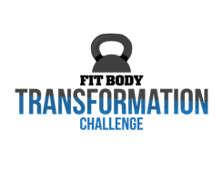
Name | Jenny
Phase 1.0
Macros | Protein | Carbs | Fat
 | 111 | 72 | 49
Endomorph
4 Meals | Protein | Carbs | Fat
Carb Meal | 27.8 | 18.0 | 12.2
Carb Meal | 27.8 | 18.0 | 12.2
Carb Meal | 27.8 | 18.0 | 12.2
Carb Meal | 27.8 | 18.0 | 12.2
5 Meals | Protein | Carbs | Fat
Carb Meal | 22.2 | 14.4 | 9.7
Carb Meal | 22.2 | 14.4 | 9.7
Carb Meal | 22.2 | 14.4 | 9.7
Carb Meal | 22.2 | 14.4 | 9.7
Carb Meal | 22.2 | 14.4 | 9.7
6 Meals | Protein | Carbs | Fat
Carb Meal | 18.5 | 14.4 | 8.1
Carb Meal | 18.5 | 14.4 | 8.1
Carb Meal | 18.5 | 14.4 | 8.1
Carb Meal | 18.5 | 14.4 | 8.1
Carb Meal | 18.5 | 14.4 | 8.1
Non-Carb Meal | 18.5 | 0.0 | 8.1

