Calculations
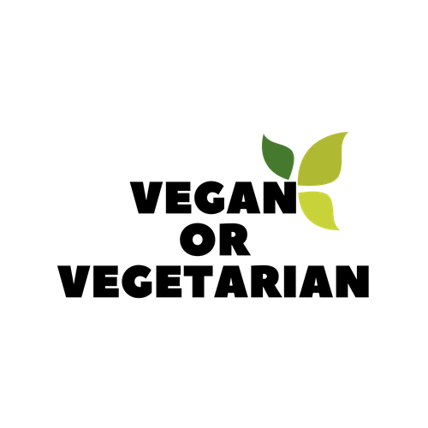

Vegetarian or Vegan Women |  |  |  |  |  | Protein Intake |  | 150 or less | 0.65
Ecto | CPP | Meso | CPP | Endo | CPP | Weight | 150 | 150-175 | 0.6
100-150 | 10 | 100-150 | 9 | 100-150 | 8 | Protein Intake | 0.65 | 176-200 | 0.55
151-200 | 9.25 | 151-200 | 8.25 | 151-200 | 7.25 | Grams of Protein | 97.5 | 201-249 | 0.5
200-250 | 8.5 | 200-250 | 7.5 | 200-250 | 6.5 | Total |  | 250+ | 0.45
250+ |  | 250+ | 7 | 250+ | 6

Name |  | Susie
Weight |  | 150
CPP |  | 8
Total Calories |  | 1200

 |  | Ecto | Meso | Endo
Protein |  | 97.5 | 97.5 | 107.5
Carb |  | 135 | 90 | 45
Fat |  | 33.333333333 | 53.333333333 | 66.666666667
Total Calories |  | 1230 | 1230 | 1210

Vegetarian or Vegan Men |  |  |  |  |  | Protein Intake |  | 200 or less | 0.75
Ecto | CPP | Meso | CPP | Endo | CPP | Weight | 280 | 200-225 | 0.7
100-150 | 12 | 100-150 | 11 | 100-150 | 9 | Protein Intake | 0.55 | 226-250 | 0.65
151-200 | 11 | 151-200 | 10 | 151-200 | 8.5 | Grams of Protein | 154 | 251-275 | 0.6
200-250 | 10 | 200-250 | 9 | 200-250 | 8 | Total |  | 275+ | 0.55
250+ |  | 250+ | 8 | 250+ | 7.5

Name |  | Dream
Weight |  | 280
CPP |  | 7.5
Total Calories |  | 2100

 |  | Ecto | Meso | Endo
Protein |  | 154 | 154 | 164
Carb |  | 236.25 | 157.5 | 78.75
Fat |  | 58.333333333 | 93.333333333 | 116.66666667
Total Calories |  | 2086 | 2086 | 2021

