Phase 1
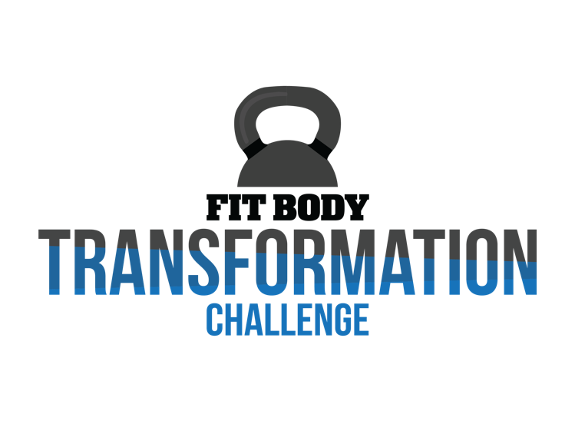
Name: | Lexi
Phase 1.0
4 Meals | Protein | Carbs | Fat
Carb Meal | 32 | 46 | 0
Carb Meal | 32 | 46 | 0
Non-Carb Meal | 32 | 0 | 24
Non-Carb Meal | 32 | 0 | 24

5 Meals | Protein | Carbs | Fat
Carb Meal | 26 | 46 | 0
Carb Meal | 26 | 46 | 0
Non-Carb Meal | 26 | 0 | 16
Non-Carb Meal | 26 | 0 | 16
Non-Carb Meal | 26 | 0 | 16

6 Meals | Protein | Carbs | Fat
Carb Meal | 22 | 46 | 0
Carb Meal | 22 | 46 | 0
Non-Carb Meal | 22 | 0 | 12
Non-Carb Meal | 22 | 0 | 12
Non-Carb Meal | 22 | 0 | 12
Non-Carb Meal | 22 | 0 | 12

Phase 1.1
4 Meals | Protein | Carbs | Fat
Carb Meal | 31 | 44 | 0
Carb Meal | 31 | 44 | 0
Non-Carb Meal | 31 | 0 | 23
Non-Carb Meal | 31 | 0 | 23

5 Meals | Protein | Carbs | Fat
Carb Meal | 25 | 44 | 0
Carb Meal | 25 | 44 | 0
Non-Carb Meal | 25 | 0 | 15
Non-Carb Meal | 25 | 0 | 15
Non-Carb Meal | 25 | 0 | 15

6 Meals | Protein | Carbs | Fat
Carb Meal | 21 | 44 | 0
Carb Meal | 21 | 44 | 0
Non-Carb Meal | 21 | 0 | 11
Non-Carb Meal | 21 | 0 | 11
Non-Carb Meal | 21 | 0 | 11
Non-Carb Meal | 21 | 0 | 11

