Women Phase 1
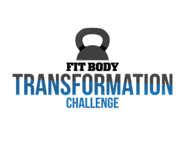
Name | Test
Macros | Protein | Carbs | Fat
 | 0 | 0 | 0
Phase 1.0
5 Meals | Protein | Carbs | Fat
Carb Meal | 0.0 | 0.0 | 0.0
Carb Meal | 0.0 | 0.0 | 0.0
Carb Meal | 0.0 | 0.0 | 0.0
Carb Meal | 0.0 | 0.0 | 0.0
Carb Meal | 0.0 | 0.0 | 0.0
6 Meals | Protein | Carbs | Fat
Carb Meal | 0.0 | 0.0 | 0.0
Carb Meal | 0.0 | 0.0 | 0.0
Carb Meal | 0.0 | 0.0 | 0.0
Carb Meal | 0.0 | 0.0 | 0.0
Carb Meal | 0.0 | 0.0 | 0.0
Non-Carb Meal | 0.0 | 0.0 | 0.0
7 Meals | Protein | Carbs | Fat
Carb Meal | 0.0 | 0.0 | 0.0
Carb Meal | 0.0 | 0.0 | 0.0
Carb Meal | 0.0 | 0.0 | 0.0
Carb Meal | 0.0 | 0.0 | 0.0
Carb Meal | 0.0 | 0.0 | 0.0
Non-Carb Meal | 0.0 | 0.0 | 0.0
Non-Carb Meal | 0.0 | 0.0 | 0.0

